Forgn Assets (for resident)
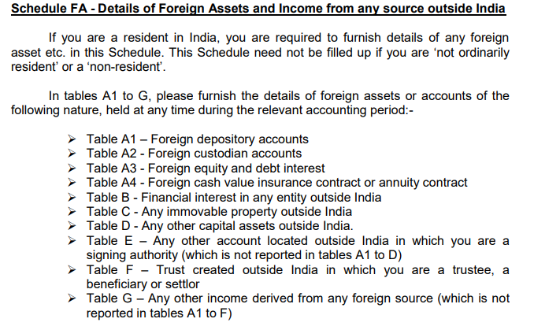
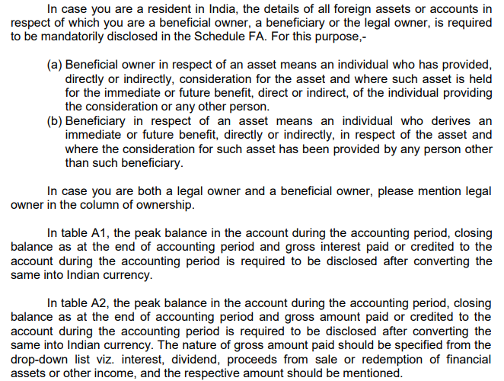
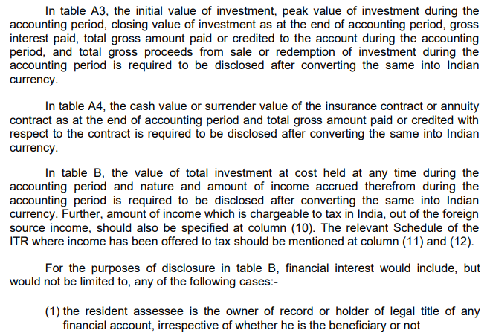
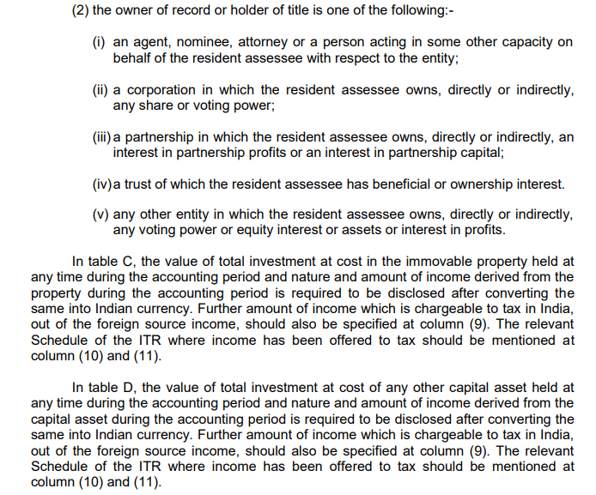
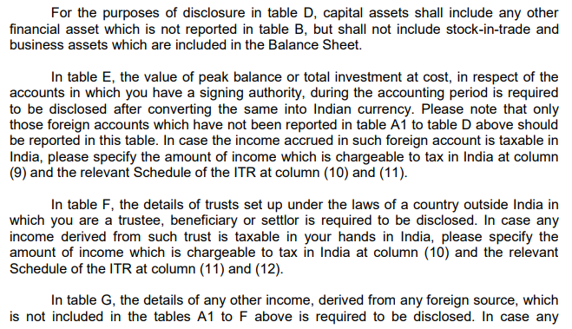
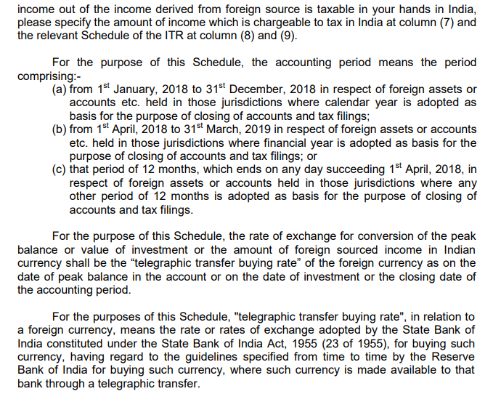
 | Details of Foreign Assets |  |  |  | Guidelines for said details

 | If you are a resident in India during the financial year then only fill the below details.
 | This Schedule need not be filled up if you are not ordinarily resident or a non-resident.

A1 | Details of Foreign Depository accounts held (including any beneficial interest)
 | Country Name | Name of Financial Institution | Address | Peak balance during the period | Account No | Account Opening Date | Closing Balance | Gross Interest Paid/ credited to the account | ZIP Code

A2 | Details of Foreign custodial accounts held (including any beneficial interest)
 | Country Name | Name of Financial Institution | Address | Peak balance during the period | Account No | Account Opening Date | Closing Balance | Gross Interest Paid/ credited to the account | ZIP Code

A3 | Details of Foreign equity and debt interest held (including any beneficial interest) in any entity
 | Country Name | Name of Entity | Address | Nature of Entity | Peak balance of investment during the period | Date of acquiring of interest | Closing Balance | Initial value of investment | ZIP Code | Total gross amount paid/credited with respect to the holding during the period | Total gross proceeds from sale or redemption of investment

A4 | Details of Foreign cash value insurance contract or Annuity Contract held
 | Country Name | Name of Financial Institution | Address | Cash value of surrendered value of contract | Date of contract | Total gross amount paid/credited with respect to the contract during the period | Total gross proceeds from sale or redemption of investment | ZIP Code

B | Details of Financial Interest in any Entity
 | Country Name | Name of Entity | Address | Nature of Entity | Total investment at cost | Account No | Date of Opening/ since held/ acquisition | Status | ZIP Code

C | Details of Immovable Property
 | Country Name | Name of Entity | Address | Nature of Entity | Total investment at cost | Account No | Date of Opening/ since held/ acquisition | Status | ZIP Code

D | Details of any other asset
 | Country Name | Name of Entity | Address | Nature of Entity | Total investment at cost | Account No | Date of Opening/ since held/ acquisition | Status | ZIP Code

E | Details of account(s) in which you have signing authority held (including any beneficial interest) at any time during the previous year and which has not been included in A to D above.
 | Country Name | Name of Institution | Address | Name mentioned in the account | Peak balance of investment during the period | Account No | Date of Opening/ since held/ acquisition | Status | ZIP Code

F | Details of trusts, created under the laws of a country outside India, in which you are a trustee
 | Country name | Name of Trust | Address of Trust | Name of Trustee | Address of Trustee | Name of Settlor | Address of Settlor | Name of Beneficialry | Address of Beneficiary | Date Since position held | Whether income derived is taxable in your hands | Income derived from trust | ZIP Code

